Indices

 | Iraq Stock Exchange
 | Bulletin No (102)
 | ISX Trading Indices of Sunday 14/6/2026

 | Traded Volume and OTC |  | 36,651,579,835 |  | Traded Value and OTC |  | 20,854,876,722 |  | Traders | 1322

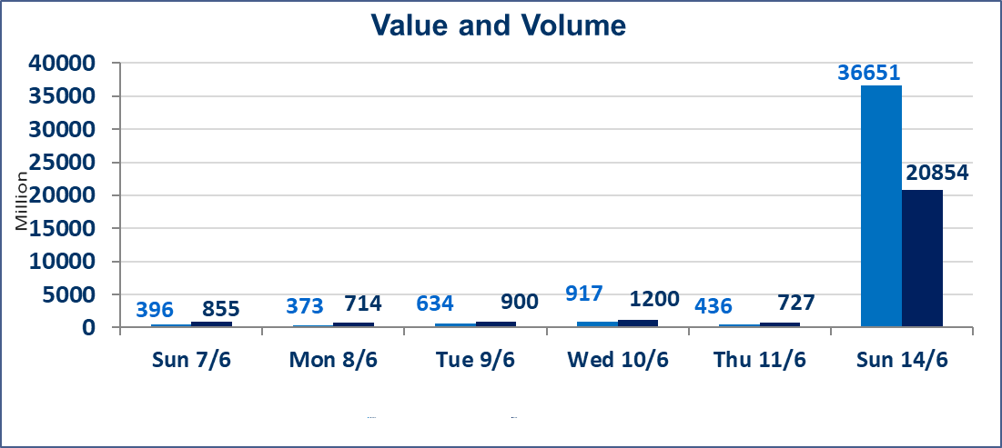
 | ISX Index 60 |  |  | 971.69 | ISX Index 15 |  |  | 1242.50
 | Previous ISX Index60 |  |  | 954.14 | Previous ISX Index15 |  |  | 1230.11
 | Change % |  |  | 1.84 | Change % |  |  | 1.01
 | Change |  |  | 17.55 | Change |  |  | 12.39

 | Listed Companies | 103 | OTC | 14 | Non Traded listed | 37 | OTC | 13
 | Traded Listed Companies | 48 | OTC | 1 | Higher Companies |  |  | 20
 | GAM Companies |  |  | 7 | Lower Companies |  |  | 7
 | Suspended Companies |  |  | 11
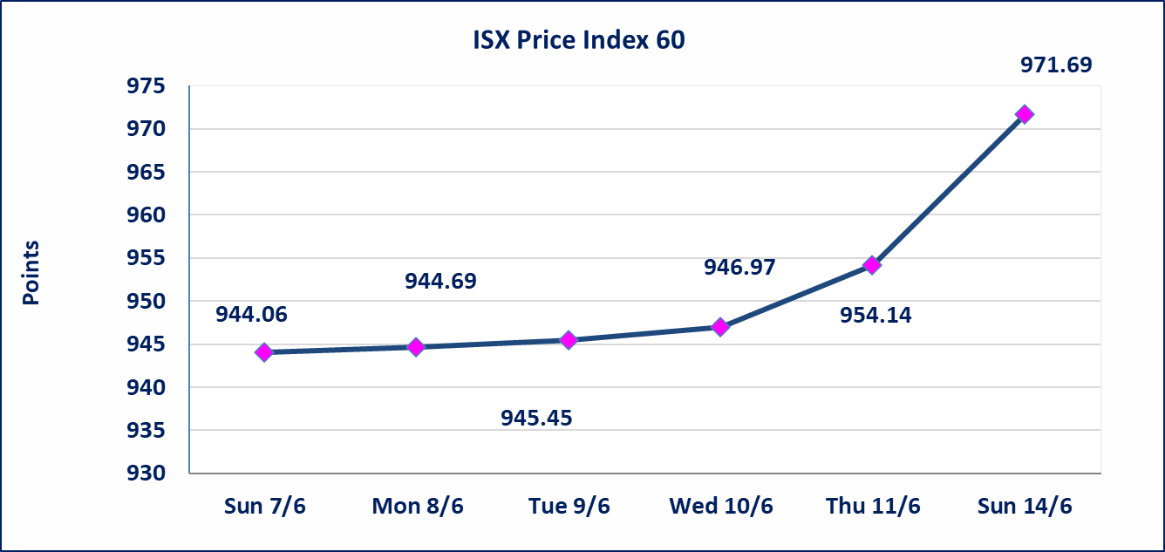
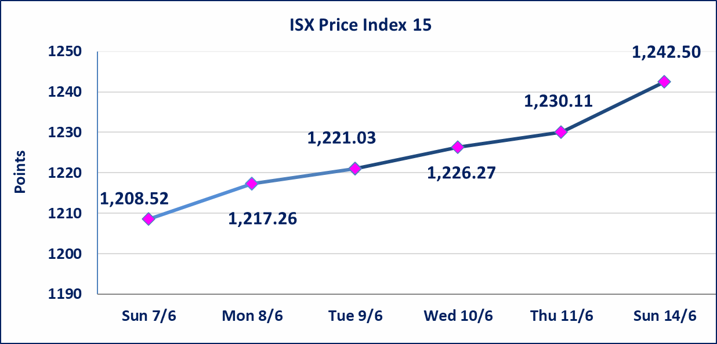

 | special orders | Elaf Brokerage Company executed a deliberate cross order on the shares of Al Qurtas Bank Company with a number of shares (17,161,000,000) shares with a value of (17,161,000,000) dinars, during the additional session time (after 1 pm) in accordance with the procedures for executing large transactions.
 | special orders | Noor Al-Wamid Brokerage Company executed a deliberate cross order on the shares of Erbil Bank Company with a number of shares (18,258,500,000) shares with a value of (2,008,435,000) dinars, during the additional session time (after 1 pm) in accordance with the procedures for executing large transactions.
Al-Alwiya P.O . 3607 Mobile: 07711211522 - 07270094594 - 07834000034 E-mail: info-isx@isx-iq.net Web site:www.isx-iq.net

Top 5
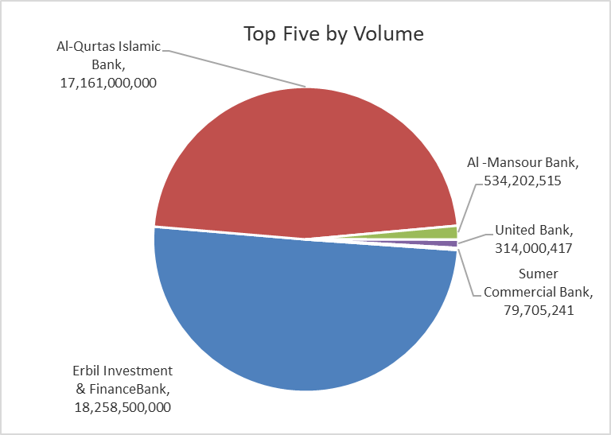
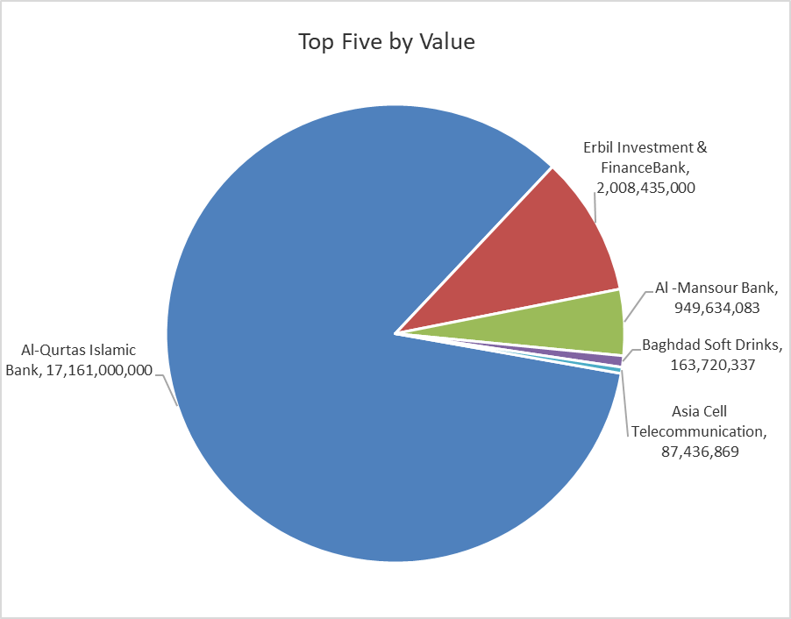

ISX top ganing and losing companies
Sunday 14/6/2026
 | Gainers |  |  |  | Losers
 | Company Name | Closing Price | Change (%) | Traded Volume | Company Name | Closing Price | Change (%) | Traded Volume
 | Modern Construction Materials | 1.350 | 17.39 | 1,420 | Rehab Karbalaa | 0.550 | -5.17 | 381,942
 | Kharkh Tour Amuzement City | 4.850 | 6.59 | 6,596,056 | Baghdad Hotel | 12.490 | -4.29 | 3,177,436
 | Al-Hilal Industries | 1.500 | 5.63 | 2,067,461 | Babil Animal & Vegetable Production | 9.300 | -4.12 | 2,547
 | Mansour Hotel | 68.000 | 4.62 | 1,861 | Baghdad -Iraq Transportation | 22.330 | -1.15 | 294,914
 | Commercial Islamic Bank of Iraq | 0.690 | 4.55 | 34,225,184 | Iraqi for Seed Production | 6.700 | -0.74 | 12,252,922
 | The most active companies in term of traded volume and value

 | Traded Volume |  |  |  | Traded Value
 | Company Name | Closing Price | Change (%) | Traded Volume | Company Name | Closing Price | Change (%) | Traded Value
 | Erbil Investment & FinanceBank | 0.110 | 0.00 | 18,258,500,000 | Al-Qurtas Islamic Bank | 1.000 | 0.00 | 17,161,000,000
 | Al-Qurtas Islamic Bank | 1.000 | 0.00 | 17,161,000,000 | Erbil Investment & FinanceBank | 0.110 | 0.00 | 2,008,435,000
 | Al -Mansour Bank | 1.800 | 4.05 | 534,202,515 | Al -Mansour Bank | 1.800 | 4.05 | 949,634,083
 | United Bank | 0.050 | 0.00 | 314,000,417 | Baghdad Soft Drinks | 6.400 | 1.11 | 163,720,337
 | Sumer Commercial Bank | 0.200 | 0.00 | 79,705,241 | Asia Cell Telecommunication | 16.570 | 1.04 | 87,436,869

Non Iraqis

Iraq Stock Exchange
Non Iraqis' Bulletin Sunday Jun 14 2026
Regular Market

Non Iraqi Trading of Regular Market (Buy)
Company Names | Code | No.of trades | Traded Shares | Trading Volume
Banks Sector
Al-Mansour Bank | BMNS | 70 | 248,280,150 | 442,695,509
Total Bank sector |  | 70 | 248,280,150 | 442,695,509
Grand Total |  | 70 | 248,280,150 | 442,695,509

Not Trading Bonds

Iraq Stock Exchange
Sunday 14/6/2026
Not Trading Bonds Bulletin
Bond type | Publish type | Code | last trading price | immortilize date
Banaa Bonds /Million ID | Second | CB20 | 964,981 | 19/12/2025
Eamar Bonds /Million ID | First | CB30 | 1,001,095 | ــــــــــــــــ
Eamar Bonds /Million ID | Second | CB40 | ــــــــــــــــ | ــــــــــــــــ
Eamar Bonds /500 Thousand ID | Third | CB45 | ــــــــــــــــ | ــــــــــــــــ
Eamar Bonds /Million ID | Third | CB50 | ــــــــــــــــ | ــــــــــــــــ
Injaz Bonds /500 Thousand ID | First | CB55 | ــــــــــــــــ | ــــــــــــــــ
Injaz Bonds /Million ID | First | CB60 | 951,110 | ــــــــــــــــ
Injaz Bonds /500 Thousand ID | Second | CB65 | 511,000
Injaz Bonds /Million ID | Second | CB70 | 965,050 | ــــــــــــــــ
Injaz Bonds /500 Thousand ID | Third | CB75 | ــــــــــــــــ | ــــــــــــــــ
Injaz Bonds /Million ID | Third | CB80 | 978,182 | ــــــــــــــــ
National Bonds/Million ID | First | CB90 | ــــــــــــــــ | ــــــــــــــــ
National Bonds/500 Thousand ID | Second | CB95 | ــــــــــــــــ | ــــــــــــــــ
National Bonds/Million ID | Second | CB100 | ــــــــــــــــ | ــــــــــــــــ

